Лист1
Варианты топ уровня переговорных комнат
Вариант 1, Medialign. 2 экрана по 55”:
оборудование RP Medialign Rev2-255. Includes: GS 500 (7200-64250-xxx) w/EEIV-12x,2-55" 1080 LED display, speaker, RP Touch, EE Producer, tabletop content interface,1080 and S4B licenses, stand . Includes Pwr cord and cable bundle. Russia Only(Mntc Contract Required) | 3,640,000.00 ₽ | 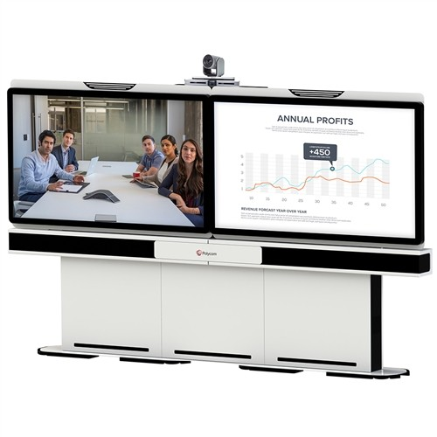
сервис Premier, One Year, RP Medialign Rev2-255. Includes: GS 500 (7200-64250-012) w/EEIV-12x, 2-55" 1080 LED disp, speaker, RPTouch, EE Producer, tabletop content interface, 1080 & S4B Licenses | 364,000.00 ₽
Итого: | 4,004,000.00 ₽

Вариант 2, Medialign. 2 экрана по 70”:
оборудование RP Medialign Rev2-270.Includes:GS 500 (7200-64250-xxx with EEIV),2-70"1080 LED displays, speaker, RP Touch,EE Director II w/ 1 EE IV,tabletop content interface,1080 and S4B lic,stand.Includes Pwr cord and cable bundle.Russia Only(Mntc Contract Required) | 5,740,000.00 ₽ | 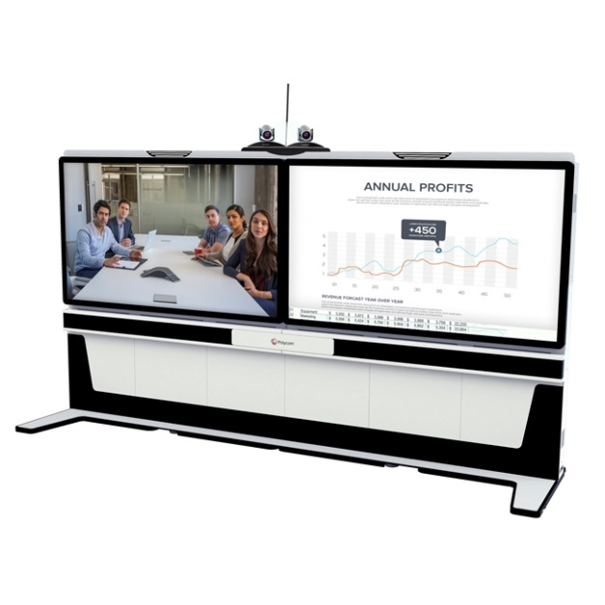
сервис Premier, One Year, RP Medialign Rev2-270. Incl:GS500 (7200-64250-101) w/EEIV, 2-70" 1080 LED disp, speaker, RPTouch, EE Director II w/1 EE IV, tabletop content interface, 1080 & S4B licenses, stand. | 574,000.00 ₽
Итого: | 6,314,000.00 ₽

Вариант 3, Только кодек G500 с 12х камерой:
оборудование RealPresence Group 500-720p: Group 500 HD codec, EagleEyeIV-12x camera, mic array, univ. remote, NTSC/PAL. Cables: 2 HDMI 1.8m, 1 CAT 5E LAN 3.6m, 1 HDCI digital 3m, Power: RUSSIA-Type C, CE 7/7. Maintenance Contract Required. | 846,930.00 ₽ | 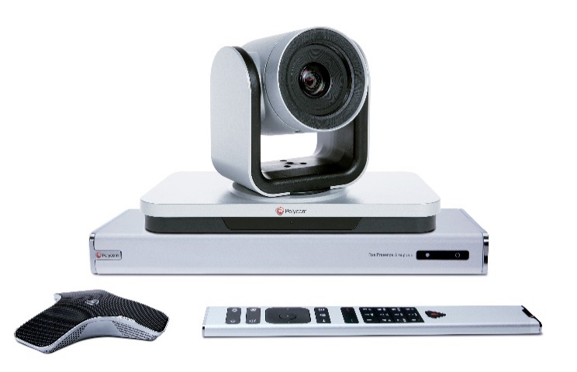
сервис Premier, One Year, RealPresence Group 500-720p: Group 500 HD codec, EagleEyeIV-12x camera | 73,920.00 ₽
ТВ панель 50 дюймов + напольный кронштейн | 105,000.00 ₽
Итого: | 1,025,850.00 ₽

Сервер на 10 портов 720p30:
ПАК RP Collaboration Server 1800 IP only 2x1080p60/5x1080p30/10x720p/20xSD resource configured and licensed system. Maintenance contract required. This model has encryption license excluded and is applicable to the Russia market | 4,795,000.00 ₽ | 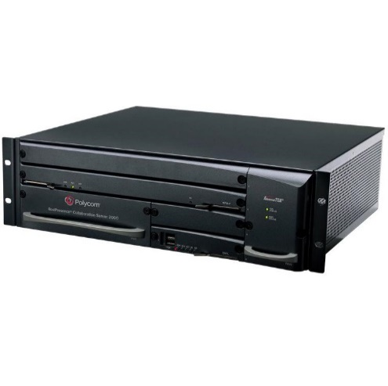
сервис Premier, One Year, RMX 1800 IP only 2x1080p60/5x1080p30/10x720p/20xSD resource configured & licensed system. | 568,120.00 ₽
Итого: | 5,363,120.00 ₽

Или второй вариант, купить лицензии Clariti, а необходимые компоненты развернуть на стороннем сервере под VMWare (цена за 50 одновременных пользователей):
лицензии RealPresence Clariti - Concurrent User License, Perpetual (Maintenance Contract Required) (Qty 5-14 only) | 13,125,000.00 ₽
сервис Premier Software Service 8X5, One Year, RealPresence Clariti Concurrent User License, Perpetual (Qty 5-14 only) | 2,625,000.00 ₽
Итого: | 15,750,000.00 ₽

Варианты персональных мест
Вариант 1. Простой кодек RP 310 для небольших переговорок:
оборудование RealPresence Group 310 - 720p: Group 310 HD codec, EagleEye Acoustic cam., univ. remote, NTSC/PAL. Cables: 1 HDMI 1.8m, 1 CAT 5E LAN 3.6m, Power: RUSSIA - Type C, CE 7/7. Maintenance Contract Required | 230,930.00 ₽ | 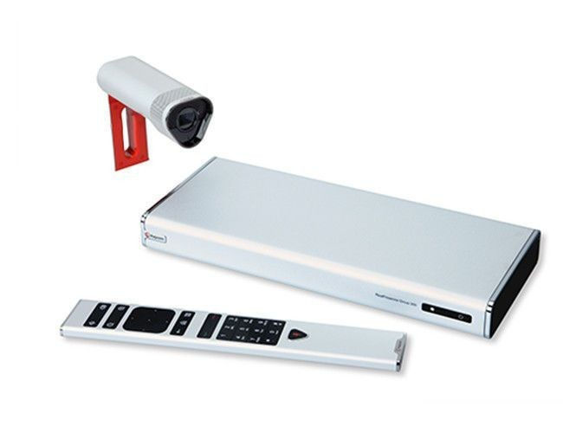
сервис Premier, One Year, RealPresence Group 310 720p: Group 310 HD codec, EagleEye Acoustic camera | 25,970.00 ₽
ТВ панель 50 дюймов + напольный кронштейн | 105,000.00 ₽
Итого: | 361,900.00 ₽

Вариант 2. Система Debut
оборудование RealPresence Debut - 1080p: all-in-one HD codec with built-in mechanical pan/tilt cam & mic, remote, NTSC/PAL. Cables: 1 HDMI 1.8m, 1 CAT 5E LAN 3.6m, Power: RUSSIA-Type C, CE 7/7. Maintenance Contract Required. | 132,930.00 ₽ | 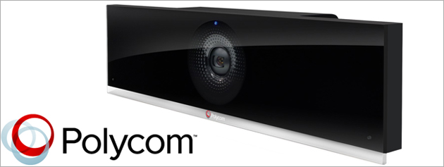
сервис Premier, One Year, RealPresence Debut - 1080p: all-in-one HD codec with build-in mechanical pan/tilt camera, mic, and remote | 14,000.00 ₽
ТВ панель 50 дюймов + напольный кронштейн | 105,000.00 ₽
Итого: | 251,930.00 ₽

Вариант 3. Trio 8800 c камерой Eagle Eye mini (USB)
RealPresence Trio 8800 Collab. Kit, 802.3af/at PoE, factory disabled media encryption for Russia. Trio 8800, Trio Visual+, EagleEye Mini, E-net cables (2.1m/4.5m/7.6m), 2m USB and 1.8m HDMI cable, VESA mount. NO POWER KIT. Maint Cont Reqd. | 153,300.00 ₽
Premier, One Year, RealPresence Trio 8800 Collaboration Kit with Eagle Eye Mini Camera | 4,200.00 ₽
ТВ панель 50 дюймов + напольный кронштейн | 105,000.00 ₽
Итого: | 262,500.00 ₽

